FA-2 (WP) Filter Assy
 |  | BREAK-DOWN ANALYSIS SHEET

M/C OR DIE NAME : |  | Filter Assy
M/C OR DIE No : |  | EEAT-138
PROBLEM : |  | Load value NG <Lower>
BREAKDOWN TIME : |  | 140 Min. |  |  | DATE : 01/02/2024
Time Analysis (Total time):
(A)Phenomenon Checking : |  | 30 | (B) Waiting for Spare parts : |  |  | 20 | (C) Maintenance hour : |  | 90
1) Description Of Maintenance Job (Mentioning Time) |  |  |  |  | 2) Review or Improvement Points(Cause analysis)
Problem: Load value coming lower side.<210N> <Spec :- 350 ~ 680 N> |  |  |  | Min | Why ? Why ? Why ?
Action:- |  |  |  |  | Low value coming while press fitting
Why
Press fitting stroke adjusted → NG |  |  |  | 15
Ball screw and shaft cleaning & lubrication→ NG |  |  |  | 20 | Loade cell giving lower value
Why
Motor & ball screw alignment check →OK |  |  |  | 15
Load cell unit & mushroom head unit cleaning →NG |  |  |  | 30 | Less contact between loadcell and holder
Why
Load Cell Calibration→NG |  |  |  | 25
Found load cell holder was worn-out |  |  |  | 10 | Load cell holder was worn-out due to long use
Why
Shim washer added between holder and load cell →OK |  |  |  | 25
 |  |  |  |  | Load cell holder was worn-out due to long use
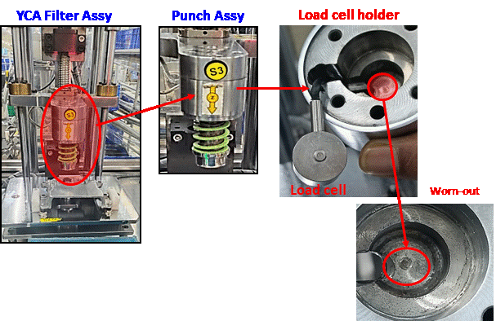

Total Time |  |  |  | 140
Counter measure:
1 | Load cell holder will be change on 31/03/2024< Drawing given to tool room for quoatation>
2
3
Yokotenkai in Each Section for Similar m/c's
SN | Section | Line Name |  | M/C Name | Applicabe |  | Not Applicable | Target Date (If Applicable)
1
3

 |  |  |  |  | APPROVED BY |  | CHECKED BY | PREPARED BY
 |  |  |  |  | Ritu |  | Ashish | Sreekanth Sasi

FO/MTD/001/003/01

